Project4867
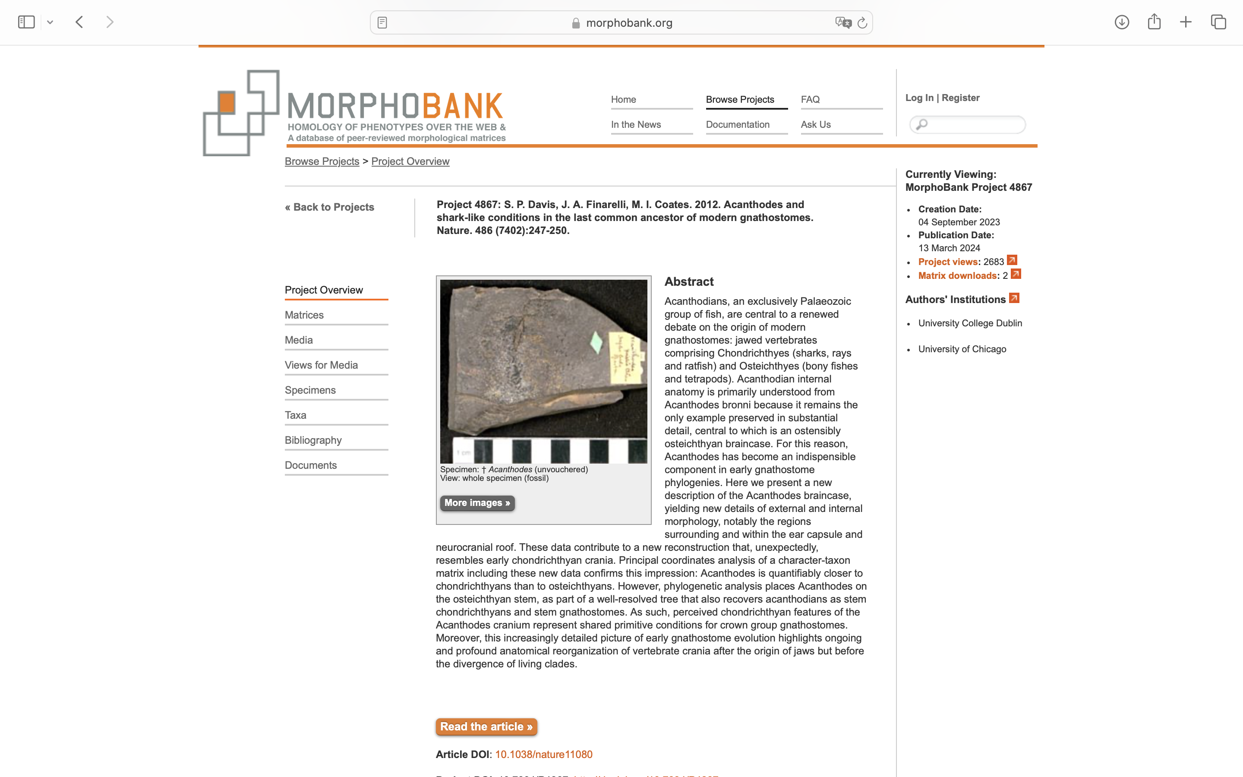
Charlabels | Character Pattern | Unseen States
[1] 'Tessellate prismatic calcified cartilage' | Neomorphic | NO
[2] 'Perichondral bone' | Neomorphic | NO
[3] 'Extensive endochondral ossification' | Neomorphic | NO
[4] 'Dentine' | Neomorphic | NO
[5] 'Dentine kind' | Transformational | YES
[6] 'Cosmine' | Neomorphic | NO
[7] 'Lepidotrichia or lepidotrichia-like scale alignment' | Neomorphic | NO
[8] 'Body scale growth pattern' | Transformational | YES
[9] 'Body scale growth concentric' | Neomorphic | NO
[10] 'Body scales with peg-and-socket articulation' | Neomorphic | NO
[11] 'Body scale profile' | Transformational | YES
[12] 'Body scales with bulging base' | Neomorphic | NO
[13] 'Body scales with flattened base' | Neomorphic | NO
[14] 'Flank scale alignment' | Transformational | YES
[15] 'Sensory line canal' | Transformational | YES
[16] 'Sensory line network' | Transformational | YES
[17] 'Jugal portion of infraorbital canal joins supramaxillary canal' | Neomorphic | NO
[18] 'Dermal skull roof' | Transformational | YES
[19] 'Tessera morphology' | Transformational | YES
[20] 'Extent of dermatocranial cover' | Transformational | NO
[21] 'Endolymphatic ducts open in dermal skull roof' | Neomorphic | NO
[22] 'Endolymphatic ducts with oblique course through dermal skull bones' | Neomorphic | NO
[23] 'Series of paired median skull roofing bones that meet at the dorsal midline of the skull' | Neomorphic | NO
[24] 'Consolidated cheek plates' | Neomorphic | NO
[25] 'Pineal opening perforation in dermal skull roof' | Neomorphic | NO
[26] 'Enlarged postorbital tessera separate from orbital series' | Neomorphic | NO
[27] 'Bony hyoidean gill-cover series (branchiostegals)' | Neomorphic | NO
[28] 'Branchiostegal plate series along ventral margin of lower jaw' | Neomorphic | NO
[29] 'Branchiostegal ossifications plate-like' | Transformational | YES
[30] 'Branchiostegal ossifications ornamented' | Neomorphic | NO
[31] 'Imbricated branchiostegal ossifications' | Neomorphic | NO
[32] 'Opercular cover of branchial chamber complete or partial' | Transformational | YES
[33] 'Opercular (submarginal) ossification' | Neomorphic | NO
[34] 'Shape of opercular (submarginal) ossification' | Transformational | YES
[35] 'Gular plates' | Neomorphic | NO
[36] 'Size of lateral gular plates' | Transformational | YES
[37] 'Basihyal present' | Neomorphic | NO
[38] 'Interhyal' | Neomorphic | NO
[39] 'Oral dermal tubercles borne on jaw cartilages' | Neomorphic | NO
[40] 'Tooth whorls' | Neomorphic | NO
[41] 'Bases of tooth whorls' | Transformational | YES
[42] 'Enlarged adsymphysial tooth whorl' | Neomorphic | NO
[43] 'Teeth ankylosed to dermal bones' | Neomorphic | NO
[44] 'Dermal jaw plates on biting surface of jaw cartilages' | Neomorphic | NO
[45] 'Maxillary and dentary tooth-bearing bones' | Neomorphic | NO
[46] 'Large otic process of the palatoquadrate' | Neomorphic | NO
[47] 'Insertion area for jaw adductor muscles on palatoquadrate' | Transformational | YES
[48] 'Oblique ridge or groove along medial face of palatoquadrate' | Neomorphic | NO
[49] 'Fenestration of palatoquadrate at basipterygoid articulation' | Neomorphic | NO
[50] 'Perforate or fenestrate anterodorsal (metapterygoid) portion of palatoquadrate' | Neomorphic | NO
[51] 'Pronounced dorsal process on Meckelian bone or cartilage' | Neomorphic | NO
[52] 'Preglenoid process' | Neomorphic | NO
[53] 'Jaw articulation located on rearmost extremity of mandible' | Neomorphic | NO
[54] 'Precerebral fontanelle' | Neomorphic | NO
[55] 'Median dermal bone of palate (parasphenoid)' | Neomorphic | NO
[56] 'Nasal opening(s)' | Transformational | YES
[57] 'Olfactory tracts' | Transformational | YES
[58] 'Prominent pre-orbital rostral expansion of the neurocranium' | Neomorphic | NO
[59] 'Pronounced sub-ethmoidal keel' | Neomorphic | NO
[60] 'Position of myodome for superior oblique eye muscles' | Transformational | YES
[61] 'Endoskeletal intracranial joint' | Neomorphic | NO
[62] 'Spiracular groove on basicranial surface' | Neomorphic | NO
[63] 'Spiracular groove on lateral commissure' | Neomorphic | NO
[64] 'Subpituitary fenestra' | Neomorphic | NO
[65] 'Supraorbital shelf broad with convex lateral margin' | Neomorphic | NO
[66] 'Orbit dorsal or facing dorsolaterally, surrounded laterally by endocranium' | Neomorphic | NO
[67] 'Extended prehypophysial portion of sphenoid' | Neomorphic | NO
[68] 'Narrow interorbital septum' | Neomorphic | NO
[69] 'The main trunk of facial nerve (N. VII): elongate and passes anterolaterally through orbital floor' | Neomorphic | NO
[70] 'Hyoid ramus of facial nerve (N. VII) exits through posterior jugular opening' | Neomorphic | NO
[71] 'Glossopharyngeal nerve (N. IX) exit: foramen situated posteroventral to otic capsule and anterior to metotic fissure' | Neomorphic | NO
[72] 'Short otico-occipital region of braincase' | Neomorphic | NO
[73] 'Ethmoid region elongate with dorsoventrally deep lateral walls' | Neomorphic | NO
[74] 'Basicranial morphology: platybasic' | Neomorphic | NO
[75] 'Ascending basisphenoid pillar pierced by common internal carotid' | Neomorphic | NO
[76] 'Jugular vein: invested in otic capsule wall posterior to the postorbital process' | Neomorphic | NO
[77] 'Canal for lateral dorsal aorta within basicranial cartilage' | Neomorphic | NO
[78] 'Entrance of internal carotids: through separate openings flanking the hypophyseal opening or recess' | Neomorphic | NO
[79] 'Canal for efferent pseudobranchial artery within basicranial cartilage' | Neomorphic | NO
[80] 'Position of basal/basipterygoid articulation: same anteroposterior level as hypophysial opening' | Neomorphic | NO
[81] 'Postorbital process articulates with palatoquadrate' | Neomorphic | NO
[82] 'Labyrinth cavity separated from the main neurocranial cavity by a cartilaginous or ossified capsular wall' | Neomorphic | NO
[83] 'Basipterygoid process (basal articulation) with vertically oriented component' | Neomorphic | NO
[84] 'Pituitary vein canal dorsal to level of basipterygoid process' | Neomorphic | NO
[85] 'External (horizontal) semicircular canal' | Neomorphic | NO
[86] 'Sinus superior' | Neomorphic | NO
[87] 'External (horizontal) semicircular canal joins the vestibular region dorsal to posterior ampulla' | Neomorphic | NO
[88] 'Trigemino-facial recess' | Neomorphic | NO
[89] 'Posterior dorsal fontanelle' | Neomorphic | NO
[90] 'Shape of posterior dorsal fontanelle' | Transformational | YES
[91] 'Dorsal ridge' | Neomorphic | NO
[92] 'Endolymphatic ducts' | Transformational | YES
[93] 'Lateral otic process' | Neomorphic | NO
[94] 'Process forming part or complete wall of jugular groove or canal projecting from otic capsule wall' | Neomorphic | NO
[95] 'Position of hyomandibula articulation on neurocranium' | Transformational | YES
[96] 'Ventral cranial fissure' | Neomorphic | NO
[97] 'Metotic (otic-occipital) fissure' | Neomorphic | NO
[98] 'Vestibular fontanelle' | Neomorphic | NO
[99] 'Occipital arch wedged in between otic capsules' | Neomorphic | NO
[100] 'Spino-occipital nerve foramina' | Transformational | NO
[101] 'Ventral notch between parachordals' | Neomorphic | NO
[102] 'Parachordal shape' | Transformational | YES
[103] 'Hypotic lamina (and dorsally directed glossopharyngeal canal)' | Neomorphic | NO
[104] 'Macromeric dermal shoulder girdle' | Neomorphic | NO
[105] 'Dermal shoulder girdle composition' | Transformational | YES
[106] 'Dermal shoulder girdle forming a complete ring around the trunk' | Neomorphic | NO
[107] 'Pectoral fenestra completely encircled by dermal shoulder armour' | Neomorphic | NO
[108] 'Median dorsal plate' | Neomorphic | NO
[109] 'Pronounced internal crista (‘keel’) on median dorsal surface of shoulder girdle' | Neomorphic | NO
[110] 'Scapular process of shoulder endoskeleton' | Neomorphic | NO
[111] 'Ventral margin of separate scapular ossification' | Transformational | YES
[112] 'Cross sectional shape of scapular process' | Transformational | YES
[113] 'Flange on trailing edge of scapulocoracoid' | Neomorphic | NO
[114] 'Scapular process with posterodorsal angle' | Neomorphic | NO
[115] 'Endoskeletal postbranchial lamina on scapular process' | Neomorphic | NO
[116] 'Mineralisation of internal surface of scapular blade' | Neomorphic | NO
[117] 'Coracoid process' | Neomorphic | NO
[118] 'Procoracoid mineralisation' | Neomorphic | NO
[119] 'Fin base articulation on scapulocoracoid' | Transformational | YES
[120] 'Perforate propterygium' | Neomorphic | NO
[121] 'Pelvic fins' | Neomorphic | NO
[122] 'Pelvic claspers' | Neomorphic | NO
[123] 'Dermal pelvic clasper ossifications' | Neomorphic | NO
[124] 'Pectoral fins covered in macromeric dermal armour' | Neomorphic | NO
[125] 'Pectoral fin base has large, hemispherical dermal component' | Neomorphic | NO
[126] 'Dorsal fin spines' | Neomorphic | NO
[127] 'Anal fin spine' | Neomorphic | NO
[128] 'Paired fin spines' | Neomorphic | NO
[129] 'Median fin spine insertion' | Transformational | YES
[130] 'Intermediate fin spines' | Neomorphic | NO
[131] 'Prepectoral fin spines' | Neomorphic | NO
[132] 'Fin spines with ridges' | Neomorphic | NO
[133] 'Fin spines with nodes' | Neomorphic | NO
[134] 'Fin spines with rows of large retrorse denticles' | Neomorphic | NO
[135] 'Synarcual' | Neomorphic | NO
[136] 'Number of dorsal fins, if present' | Transformational | YES
[137] 'Anal fin' | Neomorphic | NO
[138] 'Caudal radials extend beyond level of body wall and deep into hypochordal lobe' | Transformational | YES

